GK Cash Flow 2023 N
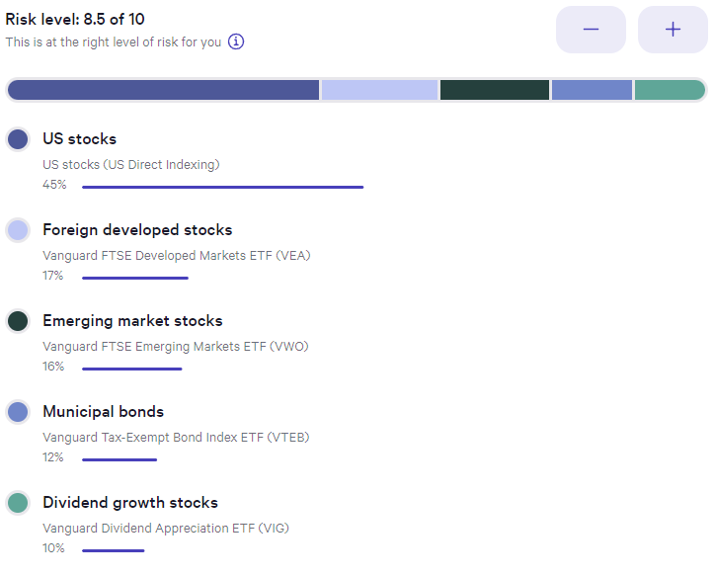
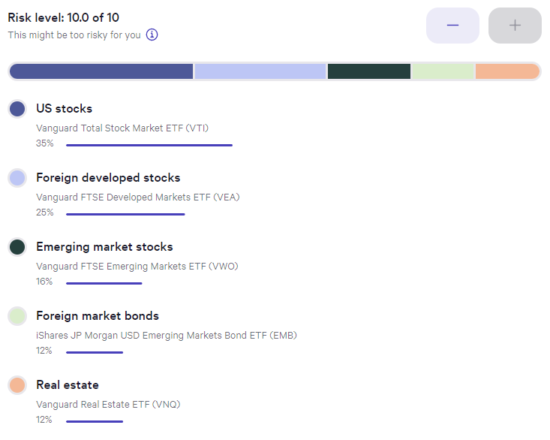
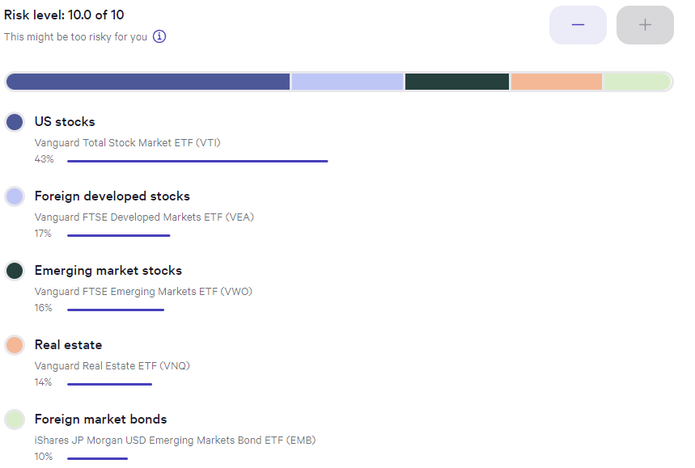
Date | Taxable | Taxable | Tax Free | Tax Free | Tax Deferred | Tax Deferred | Cash | Cash | Total Assets | Delta | Delta | Annual Periods | CPI-U | Inflated Withdrawal | Inflated Withdrawal | Withdrawal Delta | Guyton Klinger Upper | Guyton Klinger Upper | Guyton Klinger Lower | Guyton Klinger Lower | Guyton Klinger Pay Raise | Guyton Klinger Pay Cut | Guyton Klinger Adjustment | Annual Periods Adjustment | Paycheck | Paycheck Total | Paycheck Taxed | Pension | Pension Total | Social Security | Social Security Total | Social Security Taxed | Roth Conversion | Roth Conversion Total | Other Income | Other Income | Income | Income Total | Income Tax Total? | Spending Less Tax | Spending Less Tax Total | Invest | Invest | Invest Total | Cash Saved | Cash Saved | Cash Saved Total | Estimated Deductions | Taxable Income Total | Estimated Tax Withholding | Tax Target | Tax MFJ | Tax SF | Tax Rate | Married Filing Joint Tax | Single Filing Tax
2023-01-01 | $124,040.09 | 12.404% | $103,999.85 | 10.400% | $761,685.80 | 76.169% | $10,274.26 | 1.027% | $1,000,000.00 | $- | 0.00% | 26 | -0.1% | 5.000% | $50,000.00 | 0.00% | 20.00% | $60,000.00 | -20.00% | $40,000.00 | 10.00% | -10.00% | 5.000% | 0.1923% | $1,923.08 | $1,923.08 | 100% | $2,119.67 | $1,349.51 |  | $- | 85% |  | $- |  | $- | $3,272.59 | $3,272.59 | $- | $- | $- | 0% | $- | $- | 100% | $3,272.59 | $3,272.59 | $546.88 | $(546.88) | $- | 12% | 0% | 0% | 10% | $- | $-
2023-01-15 | $130,919.89 | 12.094% | $146,866.84 | 13.567% | $801,540.17 | 74.046% | $3,169.82 | 0.293% | $1,082,496.72 | $82,496.72 | 8.25% | 26 | -0.3% | 4.985% | $53,962.46 | 7.92% | 20.00% | $60,000.00 | -20.00% | $40,000.00 | 10.00% | -10.00% | 4.985% | 0.1917% | $2,075.48 | $3,998.56 | 100% | $2,119.67 | $2,699.03 |  | $- | 85% |  | $- |  | $- | $3,424.99 | $6,697.59 | $- | $2,410.20 | $2,410.20 | 1% | $10.15 | $10.15 | 99% | $1,004.65 | $4,277.24 | $546.88 | $1,863.32 | $241.02 | 12% | 10% | 10% | 12% | $22,000 | $11,000
2023-01-29 | $133,397.28 | 12.103% | $149,519.83 | 13.566% | $816,117.64 | 74.044% | $3,169.82 | 0.288% | $1,102,204.57 | $19,707.84 | 1.82% | 26 | -0.3% | 4.970% | $54,780.06 | 1.52% | 20.00% | $60,000.00 | -20.00% | $40,000.00 | 10.00% | -10.00% | 4.970% | 0.1912% | $2,106.93 | $6,105.48 | 100% | $2,119.67 | $4,048.54 |  | $- | 85% |  | $- |  | $- | $3,456.44 | $10,154.03 | $- | $2,414.62 | $4,824.82 | 0% | $- | $10.15 | 100% | $1,041.82 | $5,319.06 | $546.88 | $4,277.95 | $482.48 | 12% | 10% | 10% | 22% | $89,450 | $44,725
2023-02-12 | $132,280.72 | 12.027% | $151,951.31 | 13.816% | $815,499.20 | 74.148% | $100.20 | 0.009% | $1,099,831.42 | $(2,373.14) | -0.22% | 26 | 0.8% | 5.010% | $55,099.41 | 0.58% | 20.00% | $60,000.00 | -20.00% | $40,000.00 | 10.00% | -10.00% | 5.010% | 0.1927% | $2,119.21 | $8,224.69 | 100% | $2,119.67 | $5,398.06 |  | $- | 85% |  | $- |  | $- | $3,468.72 | $13,622.75 | $- | $3,710.98 | $8,535.81 | 0% | $- | $10.15 | 100% | $(242.26) | $5,076.79 | $546.88 | $7,988.93 | $853.58 | 12% | 10% | 10% | 24% | $190,750 | $95,375
2023-02-26 | $128,657.08 | 11.988% | $148,141.94 | 13.803% | $796,324.46 | 74.199% | $101.44 | 0.009% | $1,073,224.92 | $(26,606.51) | -2.42% | 26 | 0.8% | 5.050% | $54,196.61 | -1.64% | 20.00% | $60,000.00 | -20.00% | $40,000.00 | 10.00% | -10.00% | 5.050% | 0.1942% | $2,084.49 | $10,309.17 | 100% | $2,119.67 | $6,747.57 |  | $- | 85% |  | $- |  | $- | $3,434.00 | $17,056.75 | $- | $3,060.41 | $11,596.21 | 0% | $- | $10.15 | 100% | $373.59 | $5,450.39 | $546.88 | $11,049.34 | $1,159.62 | 12% | 10% | 12% | 32% | $364,200 | $182,100
2023-03-12 | $126,020.62 | 11.983% | $146,892.77 | 13.968% | $778,614.46 | 74.039% | $102.77 | 0.010% | $1,051,630.61 | $(21,594.30) | -2.01% | 26 | 0.8% | 5.090% | $53,530.97 | -1.23% | 20.00% | $60,000.00 | -20.00% | $40,000.00 | 10.00% | -10.00% | 5.090% | 0.1958% | $2,058.88 | $12,368.06 | 100% | $2,119.67 | $8,097.09 |  | $- | 85% |  | $- |  | $- | $3,408.40 | $20,465.15 | $- | $2,428.74 | $14,024.96 | 0% | $- | $10.15 | 100% | $979.65 | $6,430.04 | $546.88 | $13,478.08 | $1,402.50 | 12% | 10% | 12% | 35% | $462,500 | $231,250
2023-03-26 | $128,346.58 | 12.056% | $148,468.94 | 13.947% | $787,642.47 | 73.988% | $93.69 | 0.009% | $1,064,551.68 | $12,921.06 | 1.23% | 26 | 0.6% | 5.121% | $54,513.82 | 1.84% | 20.00% | $60,000.00 | -20.00% | $40,000.00 | 10.00% | -10.00% | 5.121% | 0.1970% | $2,096.69 | $14,464.74 | 100% | $2,119.67 | $9,446.60 |  | $- | 85% |  | $- |  | $- | $3,446.20 | $23,911.35 | $- | $3,594.28 | $17,619.24 | 0% | $- | $10.15 | 100% | $(148.08) | $6,281.96 | $546.88 | $17,072.37 | $1,761.92 | 12% | 10% | 12% | 37% | $693,750 | $578,125
2023-04-09 | $127,923.03 | 11.665% | $155,259.69 | 14.157% | $813,391.68 | 74.170% | $91.48 | 0.008% | $1,096,665.88 | $32,114.20 | 3.02% | 26 | 0.6% | 5.152% | $56,495.29 | 3.63% | 20.00% | $60,000.00 | -20.00% | $40,000.00 | 10.00% | -10.00% | 5.152% | 0.1981% | $2,172.90 | $16,637.64 | 100% | $2,119.67 | $10,796.12 |  | $- | 85% |  | $- |  | $- | $3,522.41 | $27,433.76 | $- | $5,943.66 | $23,562.91 | 0% | $- | $10.15 | 100% | $(2,421.25) | $3,860.71 | $546.88 | $23,016.03 | $2,475.16 | 12% | 12% | 12%
2023-04-23 | $128,757.95 | 11.621% | $156,764.65 | 14.149% | $822,356.72 | 74.222% | $83.14 | 0.008% | $1,107,962.46 | $11,296.58 | 1.03% | 26 | 0.3% | 5.167% | $57,248.47 | 1.33% | 20.00% | $60,000.00 | -20.00% | $40,000.00 | 10.00% | -10.00% | 5.167% | 0.1987% | $2,201.86 | $18,839.50 | 100% | $2,119.67 | $12,145.63 |  | $- | 85% |  | $- |  | $- | $3,551.38 | $30,985.14 | $- | $2,270.20 | $25,833.11 | 0% | $- | $10.15 | 100% | $1,281.18 | $5,141.88 | $546.88 | $25,286.23 | $2,747.59 | 12% | 12% | 12%
2023-05-07 | $129,232.58 | 11.636% | $157,972.58 | 14.224% | $822,899.47 | 74.093% | $520.28 | 0.047% | $1,110,624.92 | $2,662.46 | 0.24% | 26 | 0.3% | 5.183% | $57,558.19 | 0.54% | 20.00% | $60,000.00 | -20.00% | $40,000.00 | 10.00% | -10.00% | 5.183% | 0.1993% | $2,213.78 | $21,053.28 | 100% | $2,119.67 | $13,495.15 |  | $- | 85% |  | $- |  | $- | $3,563.29 | $34,548.43 | $- | $2,154.35 | $27,987.46 | 0% | $- | $10.15 | 100% | $1,408.94 | $6,550.82 | $546.88 | $27,440.59 | $3,006.11 | 12% | 12% | 12%
2023-05-21 | $130,045.02 | 11.643% | $158,475.23 | 14.188% | $827,888.10 | 74.122% | $520.28 | 0.047% | $1,116,928.65 | $6,303.73 | 0.57% | 26 | 0.5% | 5.208% | $58,174.31 | 1.07% | 20.00% | $60,000.00 | -20.00% | $40,000.00 | 10.00% | -10.00% | 5.208% | 0.2003% | $2,237.47 | $23,290.75 | 100% | $2,119.67 | $14,844.66 |  | $- | 85% |  | $- |  | $- | $3,586.99 | $38,135.42 | $- | $2,606.23 | $30,593.69 | 0% | $- | $10.15 | 100% | $980.76 | $7,531.58 | $546.88 | $30,046.81 | $3,318.86 | 12% | 12% | 12%
2023-06-04 | $- | 0.000% | $- | 0.000% | $- | 0.000% | $- | 0.000% | $- | $- | 0.00% | 26 | 0.0% | 0.000% | $- | 0.00% | 20.00% | $60,000.00 | -20.00% | $40,000.00 | 10.00% | -10.00% | 0.000% | 0.0000% | $- | $23,290.75 | 100% | $2,119.67 | $16,194.18 |  | $- | 85% |  | $- |  | $- | $1,349.51 | $39,484.93 | $- | $- | $30,593.69 | 0% | $- | $10.15 | 0% | $- | $7,531.58 | $546.88 | $30,046.81 | $3,318.86 | 12% | 12% | 12%
2023-06-18 | $- | 0.000% | $- | 0.000% | $- | 0.000% | $- | 0.000% | $- | $- | 0.00% | 26 | 0.0% | 0.000% | $- | 0.00% | 20.00% | $60,000.00 | -20.00% | $40,000.00 | 10.00% | -10.00% | 0.000% | 0.0000% | $- | $23,290.75 | 100% | $2,119.67 | $17,543.69 |  | $- | 85% |  | $- |  | $- | $1,349.51 | $40,834.45 | $- | $- | $30,593.69 | 0% | $- | $10.15 | 0% | $- | $7,531.58 | $546.88 | $30,046.81 | $3,318.86 | 12% | 12% | 12%
2023-07-02 | $- | 0.000% | $- | 0.000% | $- | 0.000% | $- | 0.000% | $- | $- | 0.00% | 26 | 0.0% | 0.000% | $- | 0.00% | 20.00% | $60,000.00 | -20.00% | $40,000.00 | 10.00% | -10.00% | 0.000% | 0.0000% | $- | $23,290.75 | 100% | $2,119.67 | $18,893.21 |  | $- | 85% |  | $- |  | $- | $1,349.51 | $42,183.96 | $- | $- | $30,593.69 | 0% | $- | $10.15 | 0% | $- | $7,531.58 | $546.88 | $30,046.81 | $3,318.86 | 12% | 12% | 12%
2023-07-16 | $- | 0.000% | $- | 0.000% | $- | 0.000% | $- | 0.000% | $- | $- | 0.00% | 26 | 0.0% | 0.000% | $- | 0.00% | 20.00% | $60,000.00 | -20.00% | $40,000.00 | 10.00% | -10.00% | 0.000% | 0.0000% | $- | $23,290.75 | 100% | $2,119.67 | $20,242.72 |  | $- | 85% |  | $- |  | $- | $1,349.51 | $43,533.48 | $- | $- | $30,593.69 | 0% | $- | $10.15 | 0% | $- | $7,531.58 | $546.88 | $30,046.81 | $3,318.86 | 12% | 12% | 12%
2023-07-30 | $- | 0.000% | $- | 0.000% | $- | 0.000% | $- | 0.000% | $- | $- | 0.00% | 26 | 0.0% | 0.000% | $- | 0.00% | 20.00% | $60,000.00 | -20.00% | $40,000.00 | 10.00% | -10.00% | 0.000% | 0.0000% | $- | $23,290.75 | 100% | $2,119.67 | $21,592.24 |  | $- | 85% |  | $- |  | $- | $1,349.51 | $44,882.99 | $- | $- | $30,593.69 | 0% | $- | $10.15 | 0% | $- | $7,531.58 | $546.88 | $30,046.81 | $3,318.86 | 12% | 12% | 12%
2023-08-13 | $- | 0.000% | $- | 0.000% | $- | 0.000% | $- | 0.000% | $- | $- | 0.00% | 26 | 0.0% | 0.000% | $- | 0.00% | 20.00% | $60,000.00 | -20.00% | $40,000.00 | 10.00% | -10.00% | 0.000% | 0.0000% | $- | $23,290.75 | 100% | $2,119.67 | $22,941.75 |  | $- | 85% |  | $- |  | $- | $1,349.51 | $46,232.51 | $- | $- | $30,593.69 | 0% | $- | $10.15 | 0% | $- | $7,531.58 | $546.88 | $30,046.81 | $3,318.86 | 12% | 12% | 12%
2023-08-27 | $- | 0.000% | $- | 0.000% | $- | 0.000% | $- | 0.000% | $- | $- | 0.00% | 26 | 0.0% | 0.000% | $- | 0.00% | 20.00% | $60,000.00 | -20.00% | $40,000.00 | 10.00% | -10.00% | 0.000% | 0.0000% | $- | $23,290.75 | 100% | $2,119.67 | $24,291.27 |  | $- | 85% |  | $- |  | $- | $1,349.51 | $47,582.02 | $- | $- | $30,593.69 | 0% | $- | $10.15 | 0% | $- | $7,531.58 | $546.88 | $30,046.81 | $3,318.86 | 12% | 12% | 12%
2023-09-10 | $- | 0.000% | $- | 0.000% | $- | 0.000% | $- | 0.000% | $- | $- | 0.00% | 26 | 0.0% | 0.000% | $- | 0.00% | 20.00% | $60,000.00 | -20.00% | $40,000.00 | 10.00% | -10.00% | 0.000% | 0.0000% | $- | $23,290.75 | 100% | $2,119.67 | $25,640.78 |  | $- | 85% |  | $- |  | $- | $1,349.51 | $48,931.54 | $- | $- | $30,593.69 | 0% | $- | $10.15 | 0% | $- | $7,531.58 | $546.88 | $30,046.81 | $3,318.86 | 12% | 12% | 12%
2023-09-24 | $- | 0.000% | $- | 0.000% | $- | 0.000% | $- | 0.000% | $- | $- | 0.00% | 26 | 0.0% | 0.000% | $- | 0.00% | 20.00% | $60,000.00 | -20.00% | $40,000.00 | 10.00% | -10.00% | 0.000% | 0.0000% | $- | $23,290.75 | 100% | $2,119.67 | $26,990.30 |  | $- | 85% |  | $- |  | $- | $1,349.51 | $50,281.05 | $- | $- | $30,593.69 | 0% | $- | $10.15 | 0% | $- | $7,531.58 | $546.88 | $30,046.81 | $3,318.86 | 12% | 12% | 12%
2023-10-08 | $- | 0.000% | $- | 0.000% | $- | 0.000% | $- | 0.000% | $- | $- | 0.00% | 26 | 0.0% | 0.000% | $- | 0.00% | 20.00% | $60,000.00 | -20.00% | $40,000.00 | 10.00% | -10.00% | 0.000% | 0.0000% | $- | $23,290.75 | 100% | $2,119.67 | $28,339.81 |  | $- | 85% |  | $- |  | $- | $1,349.51 | $51,630.57 | $- | $- | $30,593.69 | 0% | $- | $10.15 | 0% | $- | $7,531.58 | $546.88 | $30,046.81 | $3,318.86 | 12% | 12% | 12%
2023-10-22 | $- | 0.000% | $- | 0.000% | $- | 0.000% | $- | 0.000% | $- | $- | 0.00% | 26 | 0.0% | 0.000% | $- | 0.00% | 20.00% | $60,000.00 | -20.00% | $40,000.00 | 10.00% | -10.00% | 0.000% | 0.0000% | $- | $23,290.75 | 100% | $2,119.67 | $29,689.33 |  | $- | 85% |  | $- |  | $- | $1,349.51 | $52,980.08 | $- | $- | $30,593.69 | 0% | $- | $10.15 | 0% | $- | $7,531.58 | $546.88 | $30,046.81 | $3,318.86 | 12% | 12% | 12%
2023-11-05 | $- | 0.000% | $- | 0.000% | $- | 0.000% | $- | 0.000% | $- | $- | 0.00% | 26 | 0.0% | 0.000% | $- | 0.00% | 20.00% | $60,000.00 | -20.00% | $40,000.00 | 10.00% | -10.00% | 0.000% | 0.0000% | $- | $23,290.75 | 100% | $2,119.67 | $31,038.84 |  | $- | 85% |  | $- |  | $- | $1,349.51 | $54,329.60 | $- | $- | $30,593.69 | 0% | $- | $10.15 | 0% | $- | $7,531.58 | $546.88 | $30,046.81 | $3,318.86 | 12% | 12% | 12%
2023-11-19 | $- | 0.000% | $- | 0.000% | $- | 0.000% | $- | 0.000% | $- | $- | 0.00% | 26 | 0.0% | 0.000% | $- | 0.00% | 20.00% | $60,000.00 | -20.00% | $40,000.00 | 10.00% | -10.00% | 0.000% | 0.0000% | $- | $23,290.75 | 100% | $2,119.67 | $32,388.36 |  | $- | 85% |  | $- |  | $- | $1,349.51 | $55,679.11 | $- | $- | $30,593.69 | 0% | $- | $10.15 | 0% | $- | $7,531.58 | $546.88 | $30,046.81 | $3,318.86 | 12% | 12% | 12%
2023-12-03 | $- | 0.000% | $- | 0.000% | $- | 0.000% | $- | 0.000% | $- | $- | 0.00% | 26 | 0.0% | 0.000% | $- | 0.00% | 20.00% | $60,000.00 | -20.00% | $40,000.00 | 10.00% | -10.00% | 0.000% | 0.0000% | $- | $23,290.75 | 100% | $2,119.67 | $33,737.87 |  | $- | 85% |  | $- |  | $- | $1,349.51 | $57,028.62 | $- | $- | $30,593.69 | 0% | $- | $10.15 | 0% | $- | $7,531.58 | $546.88 | $30,046.81 | $3,318.86 | 12% | 12% | 12%
2023-12-17 | $- | 0.000% | $- | 0.000% | $- | 0.000% | $- | 0.000% | $- | $- | 0.00% | 26 | 0.0% | 0.000% | $- | 0.00% | 20.00% | $60,000.00 | -20.00% | $40,000.00 | 10.00% | -10.00% | 0.000% | 0.0000% | $- | $23,290.75 | 100% | $2,119.67 | $35,087.39 |  | $- | 85% |  | $- |  | $- | $1,349.51 | $58,378.14 | $- | $- | $30,593.69 | 0% | $- | $10.15 | 0% | $- | $7,531.58 | $546.88 | $30,046.81 | $3,318.86 | 12% | 12% | 12%
2023-12-31 | $- | 0.000% | $- | 0.000% | $- | 0.000% | $- | 0.000% | $- | $- | 0.00% | 26 | 0.0% | 0.000% | $- | 0.00% | 20.00% | $60,000.00 | -20.00% | $40,000.00 | 10.00% | -10.00% | 0.000% | 0.0000% | $- | $23,290.75 | 100% | $2,119.67 | $36,436.90 |  | $- | 85% |  | $- |  | $- | $1,349.51 | $59,727.65 | $- | $- | $30,593.69 | 0% | $- | $10.15 | 0% | $- | $7,531.58 | $546.88 | $30,046.81 | $3,318.86 | 12% | 12% | 12%
Totals |  |  |  |  |  |  |  |  |  |  |  |  |  |  |  |  |  |  |  |  |  |  |  | 2.15% | $23,290.75 |  |  | $57,230.98 |  | $- |  |  | $- |  | $- |  | $59,727.65 |  |  | $30,593.69 |  |  | $10.15 |  |  | $7,531.58 |  | $14,218.76

 |  |  |  |  |  |  |  |  | Normalization Factor
 |  |  |  |  |  |  |  |  | $1,000,000.00 |  |  |  |  |  |  |  |  |  |  |  |  |  |  |  |  |  |  | Pension Projection 59.5
 |  |  |  |  |  |  |  |  | 1 | Calculated |  |  |  |  |  |  |  |  |  |  |  |  |  |  |  |  |  | $55,111.31 | 2023-01-01
 |  |  |  |  |  |  |  |  | 1 | Applied |  |  |  |  |  |  |  |  |  |  |  |  |  |  |  |  |  | $68,354.79 | 2023-05-21

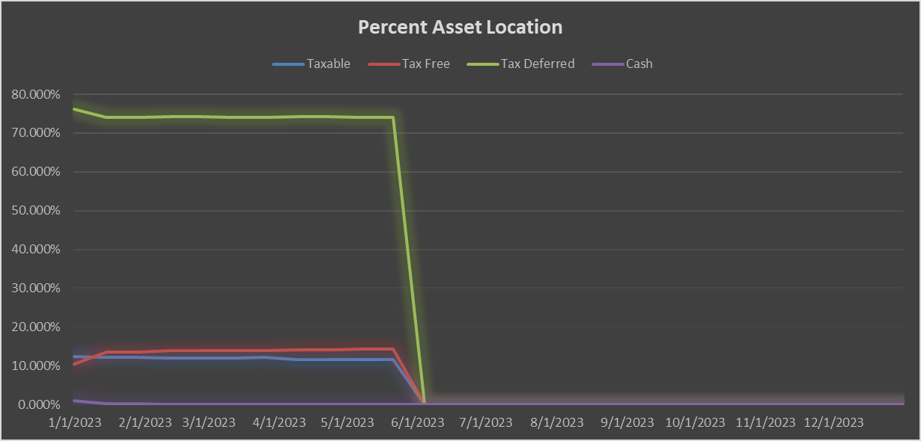
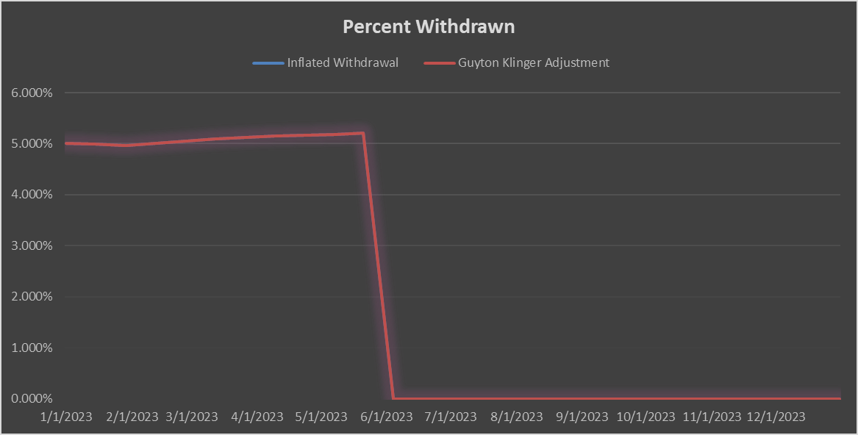

 | Taxable Portfolio |  |  |  |  |  |  |  | Tax Free Portfolio |  |  |  |  |  |  |  |  | Tax Deferred Portfolio

GK Cash Flow 2024
Date | Taxable | Taxable | Tax Free | Tax Free | Tax Deferred | Tax Deferred | Cash | Cash | Total Assets | Delta | Delta | Annual Periods | CPI-U | Inflated Withdrawal | Inflated Withdrawal | Withdrawal Delta | Guyton Klinger Upper | Guyton Klinger Upper | Guyton Klinger Lower | Guyton Klinger Lower | Guyton Klinger Pay Raise | Guyton Klinger Pay Cut | Guyton Klinger Adjustment | Annual Periods Adjustment | Paycheck | Paycheck Total | Paycheck Taxed | Pension | Pension Total | Social Security | Social Security Total | Social Security Taxed | Roth Conversion | Roth Conversion Total | Other Income | Other Income | Income | Income Total | Income Tax Total? | Spending Less Tax | Spending Less Tax Total | Invest | Invest | Invest Total | Cash Saved | Cash Saved | Cash Saved Total | Estimated Deductions | Taxable Income Total | Estimated Tax Withholding | Tax Target | Tax MFJ | Tax SF | Tax Rate | Married Filing Joint Tax | Single Filing Tax
2024-01-01 | $- | 0.000% | $- | 0.000% | $- | 0.000% | $- | 0.000% | $- | $- | 0.00% | 26 | 0.0% | 5.208% | $- | 0.00% | 20.00% | FALSE | -20.00% | FALSE | 10.00% | -10.00% | 5.208% | 0.2003% | $- | $- | 100% | $- | $- |  | $- | 85% |  | $- |  | $- | $- | $- | $- | $- | $- | 0% | $- | $- | 0% | $- | $- | $- | $- | $- | 12% | 10% | 10% | 10% | $- | $-
2024-01-15 | $- | 0.000% | $- | 0.000% | $- | 0.000% | $- | 0.000% | $- | $- | 0.00% | 26 | 0.0% | 0.000% | $- | 0.00% | 20.00% | FALSE | -20.00% | FALSE | 10.00% | -10.00% | 0.000% | 0.0000% | $- | $- | 100% | $- | $- |  | $- | 85% |  | $- |  | $- | $- | $- | $- | $- | $- | 0% | $- | $- | 0% | $- | $- | $- | $- | $- | 12% | 10% | 10% | 12% | $22,000 | $11,000
2024-01-29 | $- | 0.000% | $- | 0.000% | $- | 0.000% | $- | 0.000% | $- | $- | 0.00% | 26 | 0.0% | 0.000% | $- | 0.00% | 20.00% | FALSE | -20.00% | FALSE | 10.00% | -10.00% | 0.000% | 0.0000% | $- | $- | 100% | $- | $- |  | $- | 85% |  | $- |  | $- | $- | $- | $- | $- | $- | 0% | $- | $- | 0% | $- | $- | $- | $- | $- | 12% | 10% | 10% | 22% | $89,450 | $44,725
2024-02-12 | $- | 0.000% | $- | 0.000% | $- | 0.000% | $- | 0.000% | $- | $- | 0.00% | 26 | 0.0% | 0.000% | $- | 0.00% | 20.00% | FALSE | -20.00% | FALSE | 10.00% | -10.00% | 0.000% | 0.0000% | $- | $- | 100% | $- | $- |  | $- | 85% |  | $- |  | $- | $- | $- | $- | $- | $- | 0% | $- | $- | 0% | $- | $- | $- | $- | $- | 12% | 10% | 10% | 24% | $190,750 | $95,375
2024-02-26 | $- | 0.000% | $- | 0.000% | $- | 0.000% | $- | 0.000% | $- | $- | 0.00% | 26 | 0.0% | 0.000% | $- | 0.00% | 20.00% | FALSE | -20.00% | FALSE | 10.00% | -10.00% | 0.000% | 0.0000% | $- | $- | 100% | $- | $- |  | $- | 85% |  | $- |  | $- | $- | $- | $- | $- | $- | 0% | $- | $- | 0% | $- | $- | $- | $- | $- | 12% | 10% | 10% | 32% | $364,200 | $182,100
2024-03-11 | $- | 0.000% | $- | 0.000% | $- | 0.000% | $- | 0.000% | $- | $- | 0.00% | 26 | 0.0% | 0.000% | $- | 0.00% | 20.00% | FALSE | -20.00% | FALSE | 10.00% | -10.00% | 0.000% | 0.0000% | $- | $- | 100% | $- | $- |  | $- | 85% |  | $- |  | $- | $- | $- | $- | $- | $- | 0% | $- | $- | 0% | $- | $- | $- | $- | $- | 12% | 10% | 10% | 35% | $462,500 | $231,250
2024-03-25 | $- | 0.000% | $- | 0.000% | $- | 0.000% | $- | 0.000% | $- | $- | 0.00% | 26 | 0.0% | 0.000% | $- | 0.00% | 20.00% | FALSE | -20.00% | FALSE | 10.00% | -10.00% | 0.000% | 0.0000% | $- | $- | 100% | $- | $- |  | $- | 85% |  | $- |  | $- | $- | $- | $- | $- | $- | 0% | $- | $- | 0% | $- | $- | $- | $- | $- | 12% | 10% | 10% | 37% | $693,750 | $578,125
2024-04-08 | $- | 0.000% | $- | 0.000% | $- | 0.000% | $- | 0.000% | $- | $- | 0.00% | 26 | 0.0% | 0.000% | $- | 0.00% | 20.00% | FALSE | -20.00% | FALSE | 10.00% | -10.00% | 0.000% | 0.0000% | $- | $- | 100% | $- | $- |  | $- | 85% |  | $- |  | $- | $- | $- | $- | $- | $- | 0% | $- | $- | 0% | $- | $- | $- | $- | $- | 12% | 10% | 10%
2024-04-22 | $- | 0.000% | $- | 0.000% | $- | 0.000% | $- | 0.000% | $- | $- | 0.00% | 26 | 0.0% | 0.000% | $- | 0.00% | 20.00% | FALSE | -20.00% | FALSE | 10.00% | -10.00% | 0.000% | 0.0000% | $- | $- | 100% | $- | $- |  | $- | 85% |  | $- |  | $- | $- | $- | $- | $- | $- | 0% | $- | $- | 0% | $- | $- | $- | $- | $- | 12% | 10% | 10%
2024-05-06 | $- | 0.000% | $- | 0.000% | $- | 0.000% | $- | 0.000% | $- | $- | 0.00% | 26 | 0.0% | 0.000% | $- | 0.00% | 20.00% | FALSE | -20.00% | FALSE | 10.00% | -10.00% | 0.000% | 0.0000% | $- | $- | 100% | $- | $- |  | $- | 85% |  | $- |  | $- | $- | $- | $- | $- | $- | 0% | $- | $- | 0% | $- | $- | $- | $- | $- | 12% | 10% | 10%
2024-05-20 | $- | 0.000% | $- | 0.000% | $- | 0.000% | $- | 0.000% | $- | $- | 0.00% | 26 | 0.0% | 0.000% | $- | 0.00% | 20.00% | FALSE | -20.00% | FALSE | 10.00% | -10.00% | 0.000% | 0.0000% | $- | $- | 100% | $- | $- |  | $- | 85% |  | $- |  | $- | $- | $- | $- | $- | $- | 0% | $- | $- | 0% | $- | $- | $- | $- | $- | 12% | 10% | 10%
2024-06-03 | $- | 0.000% | $- | 0.000% | $- | 0.000% | $- | 0.000% | $- | $- | 0.00% | 26 | 0.0% | 0.000% | $- | 0.00% | 20.00% | FALSE | -20.00% | FALSE | 10.00% | -10.00% | 0.000% | 0.0000% | $- | $- | 100% | $- | $- |  | $- | 85% |  | $- |  | $- | $- | $- | $- | $- | $- | 0% | $- | $- | 0% | $- | $- | $- | $- | $- | 12% | 10% | 10%
2024-06-17 | $- | 0.000% | $- | 0.000% | $- | 0.000% | $- | 0.000% | $- | $- | 0.00% | 26 | 0.0% | 0.000% | $- | 0.00% | 20.00% | FALSE | -20.00% | FALSE | 10.00% | -10.00% | 0.000% | 0.0000% | $- | $- | 100% | $- | $- |  | $- | 85% |  | $- |  | $- | $- | $- | $- | $- | $- | 0% | $- | $- | 0% | $- | $- | $- | $- | $- | 12% | 10% | 10%
2024-07-01 | $- | 0.000% | $- | 0.000% | $- | 0.000% | $- | 0.000% | $- | $- | 0.00% | 26 | 0.0% | 0.000% | $- | 0.00% | 20.00% | FALSE | -20.00% | FALSE | 10.00% | -10.00% | 0.000% | 0.0000% | $- | $- | 100% | $- | $- |  | $- | 85% |  | $- |  | $- | $- | $- | $- | $- | $- | 0% | $- | $- | 0% | $- | $- | $- | $- | $- | 12% | 10% | 10%
2024-07-15 | $- | 0.000% | $- | 0.000% | $- | 0.000% | $- | 0.000% | $- | $- | 0.00% | 26 | 0.0% | 0.000% | $- | 0.00% | 20.00% | FALSE | -20.00% | FALSE | 10.00% | -10.00% | 0.000% | 0.0000% | $- | $- | 100% | $- | $- |  | $- | 85% |  | $- |  | $- | $- | $- | $- | $- | $- | 0% | $- | $- | 0% | $- | $- | $- | $- | $- | 12% | 10% | 10%
2024-07-29 | $- | 0.000% | $- | 0.000% | $- | 0.000% | $- | 0.000% | $- | $- | 0.00% | 26 | 0.0% | 0.000% | $- | 0.00% | 20.00% | FALSE | -20.00% | FALSE | 10.00% | -10.00% | 0.000% | 0.0000% | $- | $- | 100% | $- | $- |  | $- | 85% |  | $- |  | $- | $- | $- | $- | $- | $- | 0% | $- | $- | 0% | $- | $- | $- | $- | $- | 12% | 10% | 10%
2024-08-12 | $- | 0.000% | $- | 0.000% | $- | 0.000% | $- | 0.000% | $- | $- | 0.00% | 26 | 0.0% | 0.000% | $- | 0.00% | 20.00% | FALSE | -20.00% | FALSE | 10.00% | -10.00% | 0.000% | 0.0000% | $- | $- | 100% | $- | $- |  | $- | 85% |  | $- |  | $- | $- | $- | $- | $- | $- | 0% | $- | $- | 0% | $- | $- | $- | $- | $- | 12% | 10% | 10%
2024-08-26 | $- | 0.000% | $- | 0.000% | $- | 0.000% | $- | 0.000% | $- | $- | 0.00% | 26 | 0.0% | 0.000% | $- | 0.00% | 20.00% | FALSE | -20.00% | FALSE | 10.00% | -10.00% | 0.000% | 0.0000% | $- | $- | 100% | $- | $- |  | $- | 85% |  | $- |  | $- | $- | $- | $- | $- | $- | 0% | $- | $- | 0% | $- | $- | $- | $- | $- | 12% | 10% | 10%
2024-09-09 | $- | 0.000% | $- | 0.000% | $- | 0.000% | $- | 0.000% | $- | $- | 0.00% | 26 | 0.0% | 0.000% | $- | 0.00% | 20.00% | FALSE | -20.00% | FALSE | 10.00% | -10.00% | 0.000% | 0.0000% | $- | $- | 100% | $- | $- |  | $- | 85% |  | $- |  | $- | $- | $- | $- | $- | $- | 0% | $- | $- | 0% | $- | $- | $- | $- | $- | 12% | 10% | 10%
2024-09-23 | $- | 0.000% | $- | 0.000% | $- | 0.000% | $- | 0.000% | $- | $- | 0.00% | 26 | 0.0% | 0.000% | $- | 0.00% | 20.00% | FALSE | -20.00% | FALSE | 10.00% | -10.00% | 0.000% | 0.0000% | $- | $- | 100% | $- | $- |  | $- | 85% |  | $- |  | $- | $- | $- | $- | $- | $- | 0% | $- | $- | 0% | $- | $- | $- | $- | $- | 12% | 10% | 10%
2024-10-07 | $- | 0.000% | $- | 0.000% | $- | 0.000% | $- | 0.000% | $- | $- | 0.00% | 26 | 0.0% | 0.000% | $- | 0.00% | 20.00% | FALSE | -20.00% | FALSE | 10.00% | -10.00% | 0.000% | 0.0000% | $- | $- | 100% | $- | $- |  | $- | 85% |  | $- |  | $- | $- | $- | $- | $- | $- | 0% | $- | $- | 0% | $- | $- | $- | $- | $- | 12% | 10% | 10%
2024-10-21 | $- | 0.000% | $- | 0.000% | $- | 0.000% | $- | 0.000% | $- | $- | 0.00% | 26 | 0.0% | 0.000% | $- | 0.00% | 20.00% | FALSE | -20.00% | FALSE | 10.00% | -10.00% | 0.000% | 0.0000% | $- | $- | 100% | $- | $- |  | $- | 85% |  | $- |  | $- | $- | $- | $- | $- | $- | 0% | $- | $- | 0% | $- | $- | $- | $- | $- | 12% | 10% | 10%
2024-11-04 | $- | 0.000% | $- | 0.000% | $- | 0.000% | $- | 0.000% | $- | $- | 0.00% | 26 | 0.0% | 0.000% | $- | 0.00% | 20.00% | FALSE | -20.00% | FALSE | 10.00% | -10.00% | 0.000% | 0.0000% | $- | $- | 100% | $- | $- |  | $- | 85% |  | $- |  | $- | $- | $- | $- | $- | $- | 0% | $- | $- | 0% | $- | $- | $- | $- | $- | 12% | 10% | 10%
2024-11-18 | $- | 0.000% | $- | 0.000% | $- | 0.000% | $- | 0.000% | $- | $- | 0.00% | 26 | 0.0% | 0.000% | $- | 0.00% | 20.00% | FALSE | -20.00% | FALSE | 10.00% | -10.00% | 0.000% | 0.0000% | $- | $- | 100% | $- | $- |  | $- | 85% |  | $- |  | $- | $- | $- | $- | $- | $- | 0% | $- | $- | 0% | $- | $- | $- | $- | $- | 12% | 10% | 10%
2024-12-02 | $- | 0.000% | $- | 0.000% | $- | 0.000% | $- | 0.000% | $- | $- | 0.00% | 26 | 0.0% | 0.000% | $- | 0.00% | 20.00% | FALSE | -20.00% | FALSE | 10.00% | -10.00% | 0.000% | 0.0000% | $- | $- | 100% | $- | $- |  | $- | 85% |  | $- |  | $- | $- | $- | $- | $- | $- | 0% | $- | $- | 0% | $- | $- | $- | $- | $- | 12% | 10% | 10%
2024-12-16 | $- | 0.000% | $- | 0.000% | $- | 0.000% | $- | 0.000% | $- | $- | 0.00% | 26 | 0.0% | 0.000% | $- | 0.00% | 20.00% | FALSE | -20.00% | FALSE | 10.00% | -10.00% | 0.000% | 0.0000% | $- | $- | 100% | $- | $- |  | $- | 85% |  | $- |  | $- | $- | $- | $- | $- | $- | 0% | $- | $- | 0% | $- | $- | $- | $- | $- | 12% | 10% | 10%
2024-12-30 | $- | 0.000% | $- | 0.000% | $- | 0.000% | $- | 0.000% | $- | $- | 0.00% | 26 | 0.0% | 0.000% | $- | 0.00% | 20.00% | FALSE | -20.00% | FALSE | 10.00% | -10.00% | 0.000% | 0.0000% | $- | $- | 100% | $- | $- |  | $- | 85% |  | $- |  | $- | $- | $- | $- | $- | $- | 0% | $- | $- | 0% | $- | $- | $- | $- | $- | 12% | 10% | 10%
Totals |  |  |  |  |  |  |  |  |  |  |  |  |  |  |  |  |  |  |  |  |  |  |  | 0.20% | $- |  |  | $- |  | $- |  |  | $- |  | $- |  | $- |  |  | $- |  |  | $- |  |  | $- |  | $-

 |  |  |  |  |  |  |  |  | Normalization Factor
 |  |  |  |  |  |  |  |  | $1,000,000.00 |  |  |  |  |  |  |  |  |  |  |  |  |  |  |  |  |  |  | Pension Projection 59.5
 |  |  |  |  |  |  |  |  | #DIV/0! | Calculated
 |  |  |  |  |  |  |  |  | 1 | Applied

Percent Asset Location
Percent Withdrawn

 | Taxable Portfolio |  |  |  |  |  |  |  | Tax Free Portfolio |  |  |  |  |  |  |  |  | Tax Deferred Portfolio

